Results
Average Weighted Scores
 | Accuracy | Completeness | Representative | Timeliness/Currency | Collection | Consistency | Fit for purpose
Baseline | 1.0 | 2.8 | 0.0 | 0.0 | 0.0 | 0.0 | 0.0
Review 1 | 2.0 | 1.4 | 0.0 | 0.0 | 0.0 | 0.0 | 0.0
Review 2 | 2.0 | 2.8 | 0.0 | 0.0 | 0.0 | 0.0 | 0.0
Review 3 | 3.0 | 0.0 | 0.0 | 0.0 | 0.0 | 0.0 | 0.0
DATA ASSET DETAILS > | Data asset name: |  | <Name of the data asset> |  |  |  |  |  | Data asset owner: | <The role and branch of the data owner or delegated data custodian accountable for the data asset>
 |  | Do not edit any values in this sheet (aside from selecting a Weighting)
 | Change weighting by selecting a value
 | from the drop-down list in this column: | Assessment
 |  | 2018-01-01 | Baseline | 2018-07-01 | Review 1 | 2019-01-01 | Review 2 | 2019-07-01 | Review 3
Dimension | Weighting | Raw | Weighted | Raw | Weighted | Raw | Weighted | Raw | Weighted
Accuracy | Neutral | 1.0 | 1.0 | 2.0 | 2.0 | 2.0 | 2.0 | 3.0 | 3.0
Completeness | Very low | 2.0 | 2.8 | 1.0 | 1.4 | 2.0 | 2.8
Representative | High
Timeliness/Currency | Neutral
Collection | Neutral
Consistency | Neutral
Fit for purpose | Neutral

 |  | Key:

 |  | Low (1) |  |  | High (3)

Average Weighted Score Trend by Dimension:

Accuracy
 | Accuracy
Baseline | 1.0
Review 1 | 2.0
Review 2 | 2.0
Review 3 | 3.0
Completeness
 | Completeness
Baseline | 2.8
Review 1 | 1.4
Review 2 | 2.8
Review 3 | 0.0
Representative
 | Representative
Baseline | 0.0
Review 1 | 0.0
Review 2 | 0.0
Review 3 | 0.0
Timeliness/Currency
 | Timeliness/Currency
Baseline | 0.0
Review 1 | 0.0
Review 2 | 0.0
Review 3 | 0.0

Collection
 | Collection
Baseline | 0.0
Review 1 | 0.0
Review 2 | 0.0
Review 3 | 0.0
Consistency
 | Consistency
Baseline | 0.0
Review 1 | 0.0
Review 2 | 0.0
Review 3 | 0.0
Fit for Purpose
 | Fit for purpose
Baseline | 0.0
Review 1 | 0.0
Review 2 | 0.0
Review 3 | 0.0

Adding properties
Adding properties

To add Properties

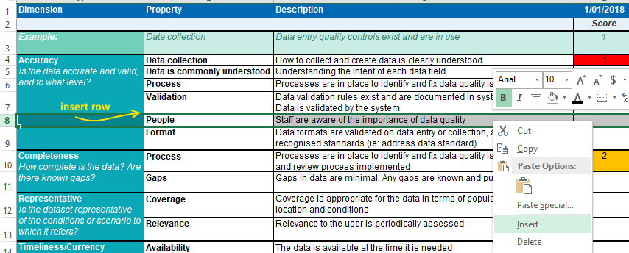
In the Assessment sheet: | Assessment sheet:
Copy and paste a row or insert a row WITHIN the appropriate Dimension
where the new Property will be.

This should ensure that the formulae and conditional formatting are not affected,
and the Results page will includes the new rows in the average scores.

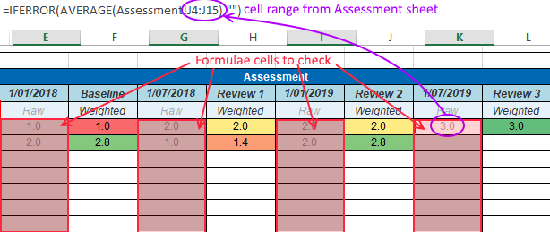
In the Results sheet: | Results sheet:
Check that the data from the new row is included in the result for that Dimension.
The new data should be picked up in the table and graphs.
(If not, check the formulae and chart data ranges.)

To remove Properties

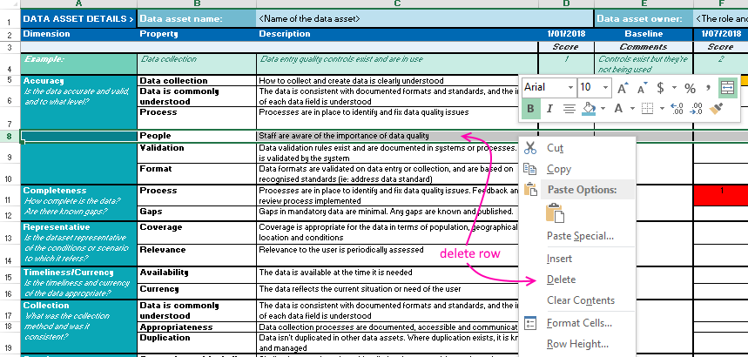
In the Assessment sheet: | Assessment sheet:
Select the whole row for the Property to remove.
Right-click and select 'Delete Row' from the menu.

This should ensure that the formulae and conditional formatting are not affected,
and the Results page will still calculate the remaining rows.

