Escalation Calculator (VT-CEsc)
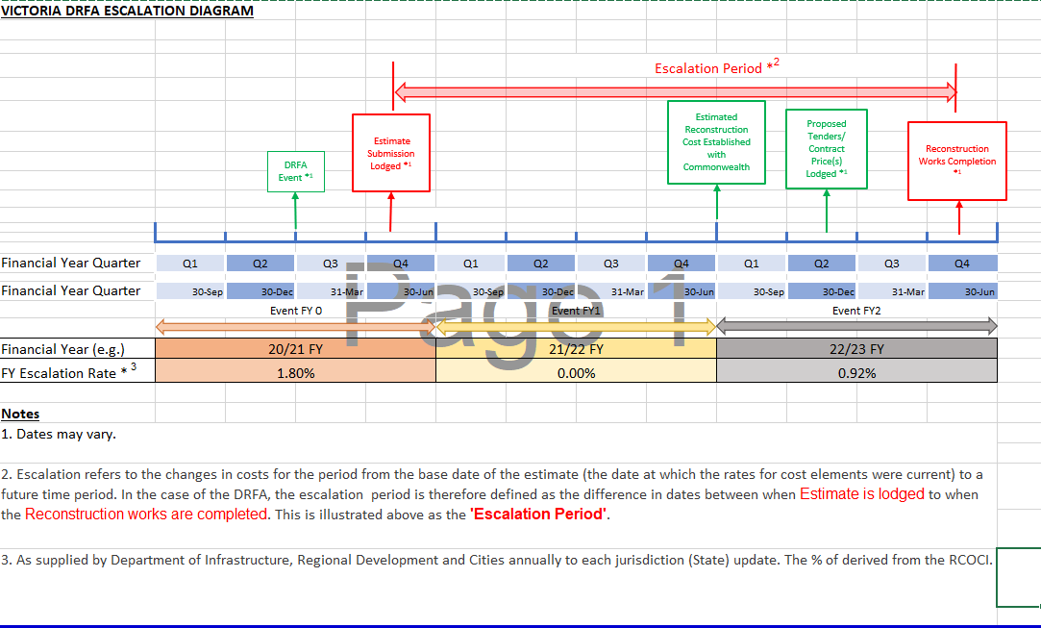
Victoria DRFA Escalation Calculator

Manual Entry
Calculation

Escalation FY 0
Escalation FY 1
Escalation FY 2

End of FY 0
End of FY 1 | 30-Dec-00
End of FY 2 | 30-Dec-01

Estimate Lodged
Forecast Construction Completion

Days FY 0 | -
Days FY 1 | -
Days FY 2 | -

Escalation FY 0 | 0.00%
Escalation FY 1 | 0.00%
Escalation FY 2 | 0.00%
TOTAL Escalation | 0.00%

